Traditional Cost
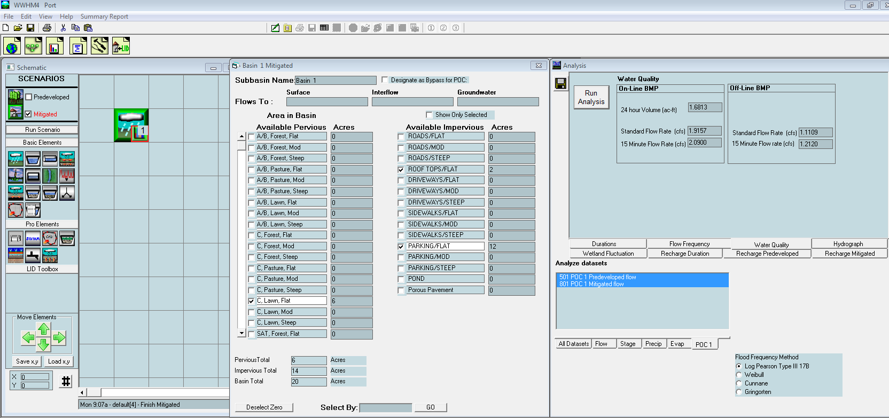
Port Traditional Alternative
Estimate of Construction Cost

Item | Quantity | Units | Unit Cost | Subtotal
CONSTRUCTION COST
Mobilization | 1 | LS | $140,000 | $140,000
Erosion Control | 1 | LS | $30,000 | $30,000
Traffic | 1 | LS | $15,000 | $15,000
Excavation | 67 | CY | $15 | $1,005
Excess Soil Disposal | 67 | CY | $5 | $335
12" pipe | 1,200 | FT | $1,000 | $1,200,000
Manholes | 4 | Each | $10,000 | $40,000
Catch Basins | 8 | Each | $500 | $4,000
Treatment Facility | 1 | Each | $250,000 | $250,000
Pump Station | 1 | Each | $50,000 | $50,000
Conventional Flat Roof | 87,120 | sft | $6.15 | $535,788
6" Asphalt | 1,800 | ton | $90 | $162,000

SUBTOTAL |  |  |  | $2,428,128
Contingency | 20% |  |  | $485,626
SUBTOTAL CONSTRUCTION COST |  |  |  | $2,913,754
Administration | 5% |  |  | $5,000
Design & Permitting | 15% |  |  | $437,063
Construction Management | 15% |  |  | $437,063
TOTAL PROJECT COST |  |  |  | $3,792,880

Manholes | Surface Area (sft) | Depth (feet) | Excavation (CY)
Baysaver Treatment vault | 180 | 6 | 67

