Traditional Cost
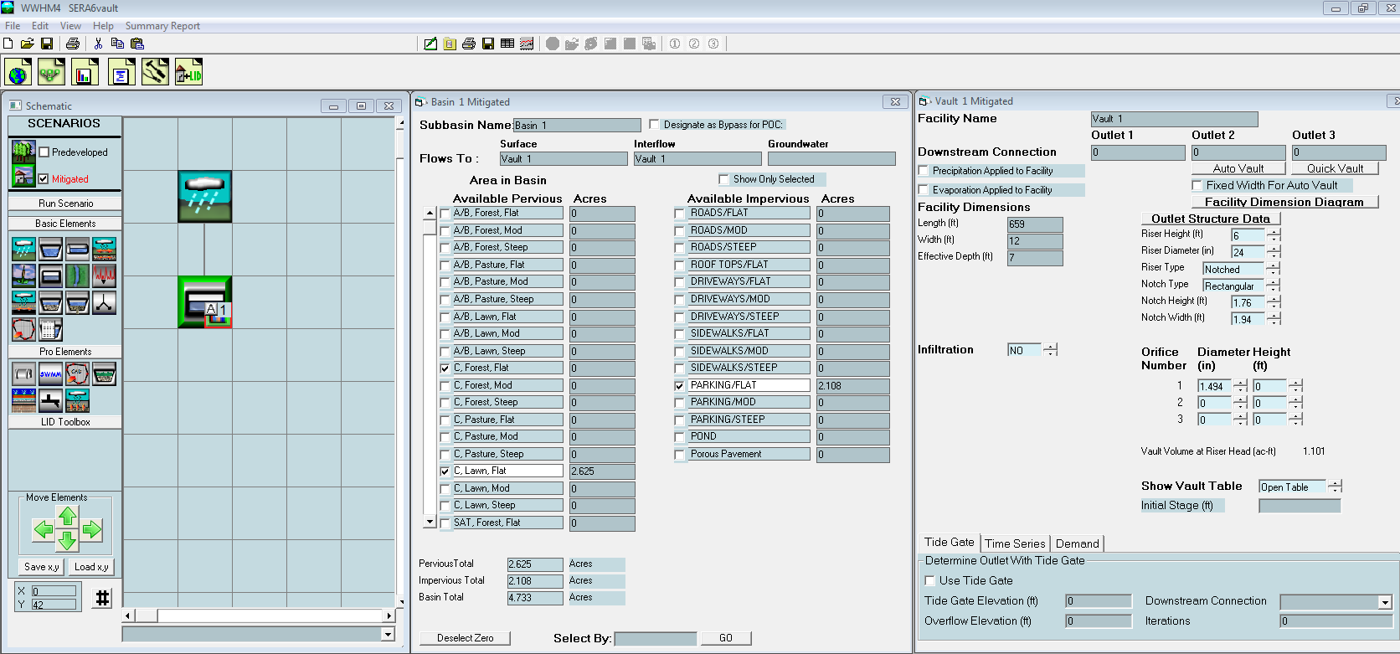
SERA Traditional Alternative
Estimate of Construction Cost excluding turf fields

Item | Quantity | Units | Unit Cost | Subtotal
CONSTRUCTION COST
Mobilization | 1 | LS | $140,000 | $140,000
Erosion Control | 1 | LS | $30,000 | $30,000
Traffic | 1 | LS | $15,000 | $15,000
Excavation | 14,192 | CY | $15 | $212,880
Excess Soil Disposal | 14,192 | CY | $5 | $70,960
12" pipe | 2,000 | FT | $30 | $60,000
Manholes | 20 | Each | $10,000 | $200,000
Catch Basins | 30 | Each | $500 | $15,000
Detention Vault | 6 | Each | $1,000,000 | $6,000,000
Treatment Facility | 2 | Each | $225,000 | $450,000
Pump Station | 2 | Each | $50,000 | $100,000
Soil Amendments | 18,924 | SYD | $5 | $94,620
Seeded Lawn Installation | 18,924 | SYD | $1 | $18,924
Sidewalk | 10,000 | syd | $40 | $400,000
4" Asphalt | 600 | ton | $75 | $45,000

SUBTOTAL |  |  |  | $7,852,384
Contingency | 20% |  |  | $1,570,477
SUBTOTAL CONSTRUCTION COST |  |  |  | $9,422,861
Administration | 5% |  |  | $5,000
Design & Permitting | 15% |  |  | $1,413,429
Construction Management | 15% |  |  | $1,413,429
TOTAL PROJECT COST |  |  |  | $12,254,719

Manholes | Surface Area (sft) | Depth (feet) | Excavation (CY)
Treatment vaults | 360 | 6 | 67
Detention vaults | 7908 | 8 | 2343

